Sheet1
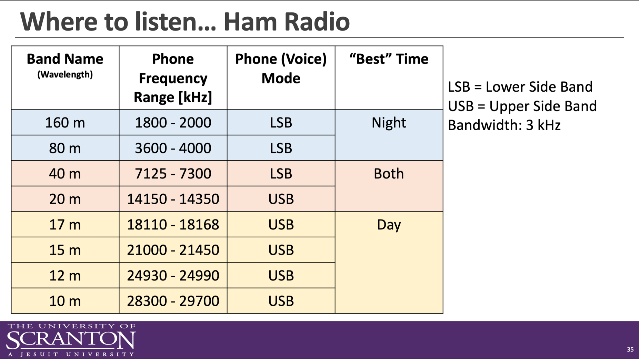
Ham KiwiSDR Listening Log - Ham Radio Single Sideband (SSB)

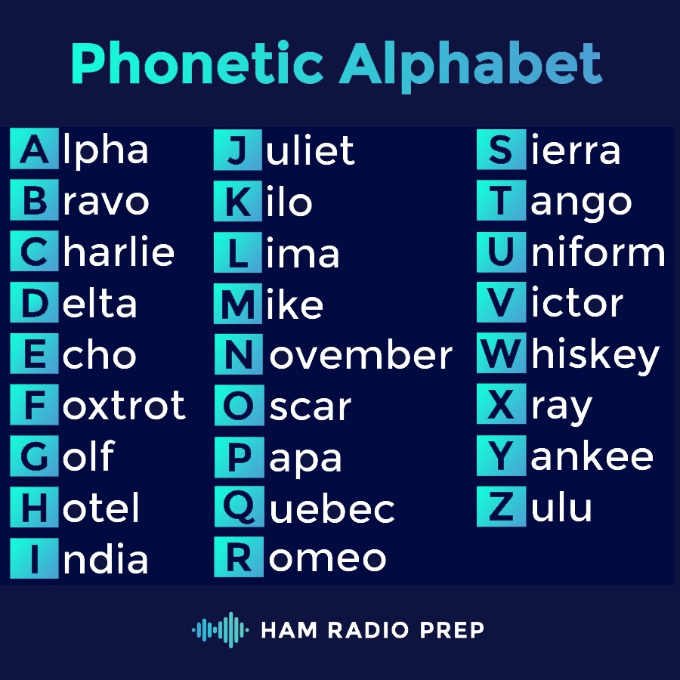
 | Instructions: Visit http://map.kiwisdr.com to listen to and log SSB ham radio stations. Use the drop-down band menu to select amateur radio band to listen to. Use the chart on the right to help you pick an appropriate frequency range and mode (Upper Sideband USB or Lower Sideband LSB). Log at least five different stations in the chart below. Use your cell phone to record videos of the most interesting QSO you hear. You can get more information about a station by looking up the call sign on qrz.com. (Make a free account to see all of the information!) Upload your log and video recording to the Brightspace Dropbox.

 | Name:

 | Date | UTC | Frequency [kHz] | Band [m] | Transmitter Call Sign | QTH (Location) | Comments | Call Sign & QTH of KiwiSDR Receiver | KiwiSDR Local Time
1
2
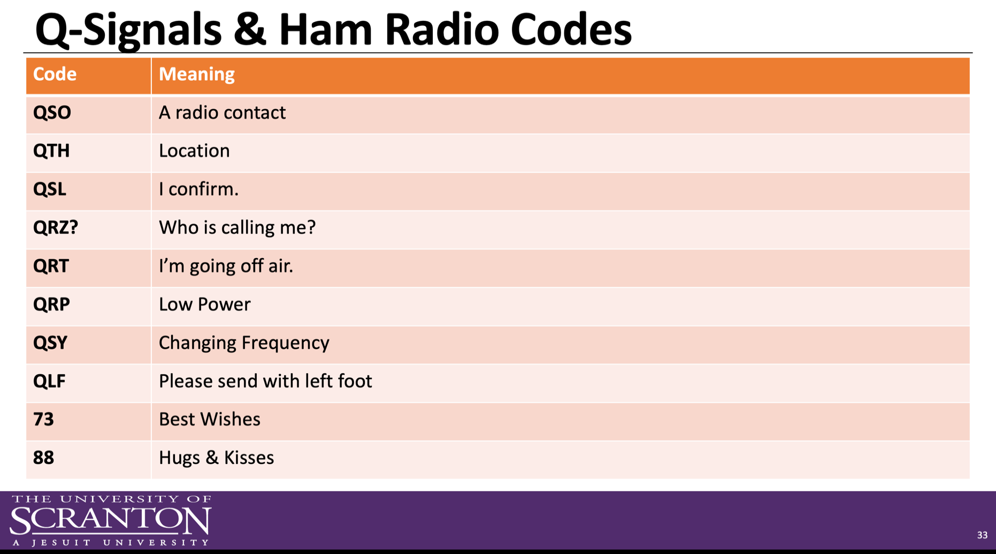
3
4
5
6
7
8
9
10
11
12
13
14
15

